Waterfall chart
Create Waterfall Chart with Proper formatting
Should be formatted as shown in picture

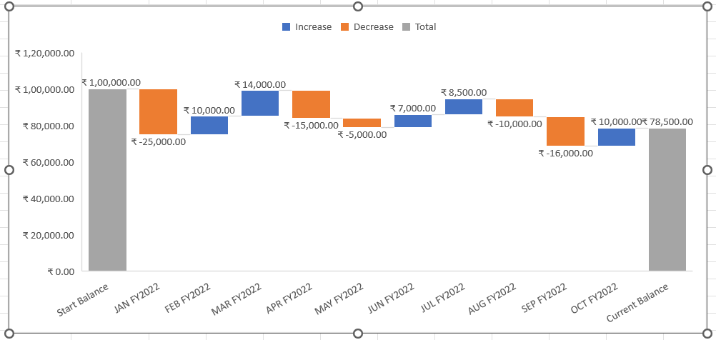
Period | Net Cash Flow
Start Balance | ₹ 100,000.00
JAN FY2022 | ₹ -25,000.00
FEB FY2022 | ₹ 10,000.00
MAR FY2022 | ₹ 14,000.00
APR FY2022 | ₹ -15,000.00
MAY FY2022 | ₹ -5,000.00
JUN FY2022 | ₹ 7,000.00
JUL FY2022 | ₹ 8,500.00
AUG FY2022 | ₹ -10,000.00
SEP FY2022 | ₹ -16,000.00
OCT FY2022 | ₹ 10,000.00
Current Balance | ₹ 78,500.00

